BabyName
Baby Names in the UK

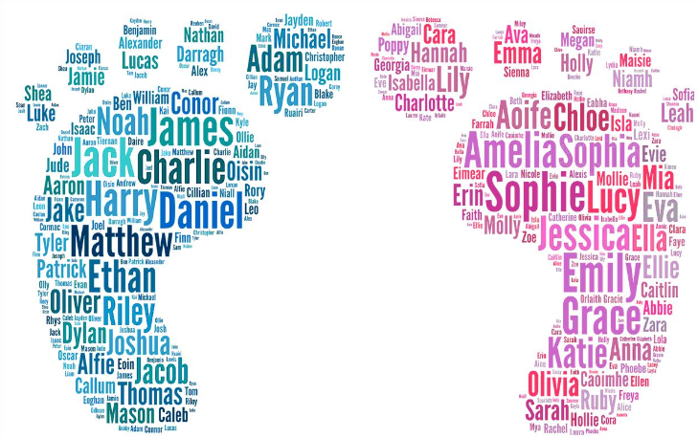

Name | Rank 2011 | Rank 2012 | Move | Name | Rank 2011 | Rank 2012 | Move
1 HARRY | 1 | 1 | ▬ | 1 AMELIA | 1 | 1 | ▬
2 OLIVER | 2 | 2 | ▬ | 2 OLIVIA | 2 | 2 | ▬
3 JACK | 3 | 3 | ▬ | 3 JESSICA | 4 | 3 | ▼
4 CHARLIE | 5 | 4 | ▼ | 4 EMILY | 5 | 4 | ▼
5 JACOB | 7 | 5 | ▼ | 5 LILY | 3 | 5 | ▲
6 THOMAS | 9 | 6 | ▼ | 6 AVA | 9 | 6 | ▼
7 ALFIE | 4 | 7 | ▲ | 7 MIA | 13 | 7 | ▼
8 RILEY | 13 | 8 | ▼ | 8 ISLA | 15 | 8 | ▼
9 WILLIAM | 10 | 9 | ▼ | 9 SOPHIE | 6 | 9 | ▲
10 JAMES | 8 | 10 | ▲ | 10 ISABELLA | 10 | 10 | ▬

