Data
Desc | Res
Friends | 75%
Stat1 | 1 in 4 | Adults Experience Mental Health Issues
Stat2 | 68%
Stat3 | 22%
Drugs | 1 in 10
Silence | 27%
Global | 350m
Table
Depression | 41% | 59%
Anxiety | 15% | 85%
Drug use | 11% | 89%
Alcohol | 10% | 90%
Schizophrenia | 7% | 93%

Graphic
Mental Health

Twice as many women typically develop depression than men. However in wealthy countries 3 times as many men die by suicide than women.

 | Depression
 | 41%
 | 59%

People with Mental Health Issues die earlier than the general population.

350m
Report the loss of friendships as a result of their illness.

 | Anxiety
 | 15%
 | 85%
Suffer a mental health disorder at any time globally.
75%

1 in 10

68%
27%
Use illicit drugs.

Of adults with mental issues experience cronic phisical issues.
Suffer in Silence.
1 in 4
 | Drug use
 | 11%
 | 89%
22%

Consider suicide.
Adults Experience Mental Health Issues.

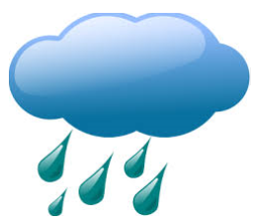

 | Alcohol
 | 10%
 | 90%



Help???

 | Schizophrenia
 | 7%
 | 93%

