Project Management Dashboard
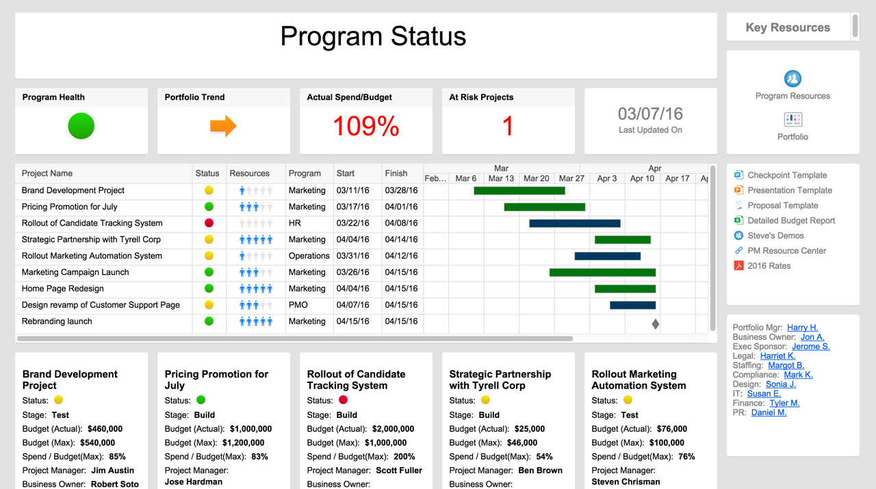
PROJECT MANAGEMENT DASHBOARD
TASK TIMELINE
 | BEGIN | Duration
Kick-off | 2016-05-05 | 1
Set Objectives | 2016-05-07 | 5
Project Requirements | 2016-05-13 | 7
Hardware Requirements | 2016-05-17 | 5
Finalize Resource Plan | 2016-05-23 | 4
Investor Presentation | 2016-06-04 | 1
Staffing | 2016-06-01 | 4
Construction | 2016-06-06 | 21
Alpha Out | 2016-06-28 | 1
Alpha Testing | 2016-06-29 | 16
Beta Out | 2016-07-16 | 1
Beta Testing | 2016-07-17 | 13
Launch | 2016-08-01 | 1
Future Planning | 2016-08-02 | 2

DAYS per PROJECT
 | # of DAYS
Kick-off | 1
Set Objectives | 5
Project Requirements | 7
Hardware Requirements | 5
Finalize Resource Plan | 4
Investor Presentation | 1
Staffing | 4
Construction | 21
Alpha Out | 1
Alpha Testing | 16
Beta Out | 1
Beta Testing | 13
Launch | 1
Future Planning | 2
 | AMOUNT | %
COMPLETE | 4 | 29%
OVERDUE | 2 | 14%
IN PROGRESS | 2 | 14%
NOT STARTED | 6 | 43%

PROJECT FINANCIALS
PROJECTED | $1,000,000
ACTUAL | $880,000

RISK ANALYSIS
 | HIGH | MEDIUM | LOW
Kick-off | 1 | 0 | 4
Set Objectives | 2 | 3 | 5
Project Requirements | 3 | 4 | 3
Hardware Requirements | 5 | 8 | 1
Finalize Resource Plan | 8 | 6 | 4
Investor Presentation | 5 | 0 | 0
Staffing | 6 | 4 | 0
Construction | 7 | 3 | 3
Alpha Out | 0 | 2 | 4
Alpha Testing | 4 | 4 | 5
Beta Out | 3 | 6 | 4
Beta Testing | 2 | 3 | 6
Launch | 1 | 1 | 7
Future Planning | 5 | 0 | 2

RISK TOTAL
HIGH | 52
MEDIUM | 44
LOW | 48

OPEN & PENDING ACTIONS
 | OPEN ISSUES | REVISIONS | PENDING ACTIONS
Kick-off | 2 | 0 | 4
Set Objectives | 1 | 2 | 3
Project Requirements | 2 | 1 | 2
Hardware Requirements | 1 | 0 | 0
Finalize Resource Plan | 0 | 3 | 1
Investor Presentation | 2 | 0 | 2
Staffing | 1 | 2 | 3
Construction | 0 | 1 | 4
Alpha Out | 1 | 3 | 2
Alpha Testing | 2 | 0 | 0
Beta Out | 3 | 2 | 0
Beta Testing | 0 | 1 | 1
Launch | 1 | 0 | 2
Future Planning | 2 | 1 | 3

ACTION TOTAL
ISSUES | 18
REVISIONS | 16
 | 27

PROJECT REPORT

TASK | OWNER | SCHEDULE | BUDGET | RESOURCES | RISKS | ISSUES | COMMENTS
Kick-off | Anna
Set Objectives | Ken
Project Requirements | Sara
Hardware Requirements | James
Finalize Resource Plan | Anna
Investor Presentation | Ken
Staffing | Sara
Construction | James
Alpha Out | Pete
Alpha Testing | Jason
Beta Out | Pete
Beta Testing | Jason
Launch | Pete
Future Planning | Anna

Learn More About Dashboards in Smartsheet

